HK
1990 | 987,564
1991 | 1,043,874 | 5.7%
1992 | 1,108,959 | 6.2%
1993 | 1,177,727 | 6.2%
1994 | 1,248,815 | 6.0%
1995 | 1,278,459 | 2.4%
1996 | 1,332,902 | 4.3%
1997 | 1,400,876 | 5.1%
1998 | 1,318,467 | -5.9%
1999 | 1,351,517 | 2.5%
2000 | 1,455,090 | 7.7%
2001 | 1,463,251 | 0.6%
2002 | 1,487,492 | 1.7%
2003 | 1,532,954 | 3.1%
2004 | 1,666,322 | 8.7%
2005 | 1,789,432 | 7.4%
2006 | 1,915,276 | 7.0%
2007 | 2,039,093 | 6.5%
2008 | 2,082,484 | 2.1%
2009 | 2,031,274 | -2.5%
2010 | 2,168,744 | 6.8%
2011 | 2,273,162 | 4.8%
2012 | 2,311,812 | 1.7%
2013 | 2,383,514 | 3.1%
2014 | 2,449,356 | 2.8%
2015 | 2,507,842 | 2.4%
2016 | 2,562,249 | 2.2%
2017 | 2,659,384 | 3.8%
2018 | 2,735,484 | 2.9%
2019 | 2,702,979 | -1.2%
 |  | 1990 | 1991 | 1992 | 1993 | 1994 | 1995 | 1996 | 1997 | 1998 | 1999 | 2000 | 2001 | 2002 | 2003 | 2004 | 2005 | 2006 | 2007 | 2008 | 2009 | 2010 | 2011 | 2012 | 2013 | 2014 | 2015 | 2016 | 2017 | 2018 | 2019
GDP | HK$ million, In chained (2017) dollars | 987,564 | 1,043,874 | 1,108,959 | 1,177,727 | 1,248,815 | 1,278,459 | 1,332,902 | 1,400,876 | 1,318,467 | 1,351,517 | 1,455,090 | 1,463,251 | 1,487,492 | 1,532,954 | 1,666,322 | 1,789,432 | 1,915,276 | 2,039,093 | 2,082,484 | 2,031,274 | 2,168,744 | 2,273,162 | 2,311,812 | 2,383,514 | 2,449,356 | 2,507,842 | 2,562,249 | 2,659,384 | 2,735,484 | 2,702,979
Growth | % |  | 5.7% | 6.2% | 6.2% | 6.0% | 2.4% | 4.3% | 5.1% | -5.9% | 2.5% | 7.7% | 0.6% | 1.7% | 3.1% | 8.7% | 7.4% | 7.0% | 6.5% | 2.1% | -2.5% | 6.8% | 4.8% | 1.7% | 3.1% | 2.8% | 2.4% | 2.2% | 3.8% | 2.9% | -1.2%
Source: https://www.statistics.gov.hk/pub/B10300022019AN19E0100.pdf

 |  | 1990 | 1991 | 1992 | 1993 | 1994 | 1995 | 1996 | 1997 | 1998 | 1999 | 2000 | 2001 | 2002 | 2003 | 2004 | 2005 | 2006 | 2007 | 2008 | 2009 | 2010 | 2011 | 2012 | 2013 | 2014 | 2015 | 2016 | 2017 | 2018 | 2019
Population |  | 5,704,497 | 5,751,994 | 5,800,507 | 5,901,014 | 6,035,402 | 6,156,108 | 6,435,511 | 6,489,286 | 6,543,686 | 6,606,510 | 6,665,014 | 6,714,291 | 6,744,110 | 6,730,799 | 6,783,498 | 6,813,207 | 6,857,098 | 6,916,298 | 6,957,802 | 6,972,792 | 7,024,205 | 7,071,594 | 7,150,089 | 7,178,893 | 7,229,504 | 7,291,291 | 7,336,608 | 7,388,826
GDP per capita
population source: kaya excel

 |  | 1990 | 1991 | 1992 | 1993 | 1994 | 1995 | 1996 | 1997 | 1998 | 1999 | 2000 | 2001 | 2002 | 2003 | 2004 | 2005 | 2006 | 2007 | 2008 | 2009 | 2010 | 2011 | 2012 | 2013 | 2014 | 2015 | 2016 | 2017 | 2018 | 2019
Energy cosumption | TJ
electricity sector | TJ |  |  |  |  |  |  |  | 265785 | 283323 |  |  |  |  |  |  |  |  | 377889 | 365805 | 389030
residential buildings sector | TJ |  |  |  |  |  |  |  | 28937 | 32793 |  |  |  |  |  |  |  |  | 54,717 | 55,849 | 57,731 | 58,396 | 58,826 | 59,930 | 58,395 | 61,838 | 60,106 | 61,282 | 59,992
commercial buildings sector | TJ |  |  |  |  |  |  |  | 65036 | 70408 |  |  |  |  |  |  |  |  | 113,914 | 113,753 | 114,297 | 116,391 | 118,773 | 121,389 | 121,812 | 123,486 | 124,660 | 125,019 | 125,158
transportation sector | TJ |  |  |  |  |  |  |  | 3124 | 3756 |  |  |  |  |  |  |  |  | 96,165 | 94,504 | 90,643 | 90,889 | 90,498 | 90,033 | 89,593 | 89,416 | 89,471 | 89,815 | 88,414
industry sector | TJ |  |  |  |  |  |  |  | 18965 | 18489 |  |  |  |  |  |  |  |  | 17,645 | 17,332 | 16,129 | 16,053 | 14,154 | 13,654 | 13,203 | 13,025 | 13,048 | 12,284 | 12,705
source:end use date from HK energy end use data 2019 & 2007

Example 1: The Great Recession (2008-2009) in HK

Energy use is strongly seasonal in some sectors (particularly residential and commercial buildings),
so we need to compare the same range of months during the recession and before the recession.

2007 | Pre-recession peak quarter
2009 | Recession trough, last quarter of recession

We will sample from a whole year of the recession to get a range of severity levels and to
even out seasonal variation. The pre-recession sample also must be one year but need not have
the same start and end calendar quarters (since both samples are a full year and include all months).
HK 2007-2008 change
Period | Sample | Average Population | Total GDP Across Period (B 2017 M HKD) | Per Capita Real GDP (thousand 2017 HKD/person)
2007 | Pre-recession 1-year sample | 6,916,298 | 2,039,093 | 295
2008 | Recession 1-year sample | 6,957,802 | 2,082,484 | 299

1.5% | Per Capita GDP Change

Energy Use by Sector
 | Residential Buildings | Commercial Buildings | Industry | Transport | Electricity | Note that the Electricity Sector energy use multiplier is only used to adjust imports and
2007 | 54717 | 113914 | 17645 | 96165 | 377889 | exports of electricity and of certain fuels used by the electricity sector.
2008 | 55849 | 113753 | 17332 | 94504 | 365805 | Changes in domestic electricity demand are derived from the buildings, transport, and industry sectors' multipliers.
% Change | 2.1% | -0.1% | -1.8% | -1.7% | -3.2%

Sensitivity to GDP Cng | 1.36 | -0.09 | -1.17 | -1.14 | -2.11

To use these multipliers, we need annual estimates of GDP change due to economic shocks,
not short-term (quarterly, monthly) GDP change, because the AEBC data series has annual
increments.

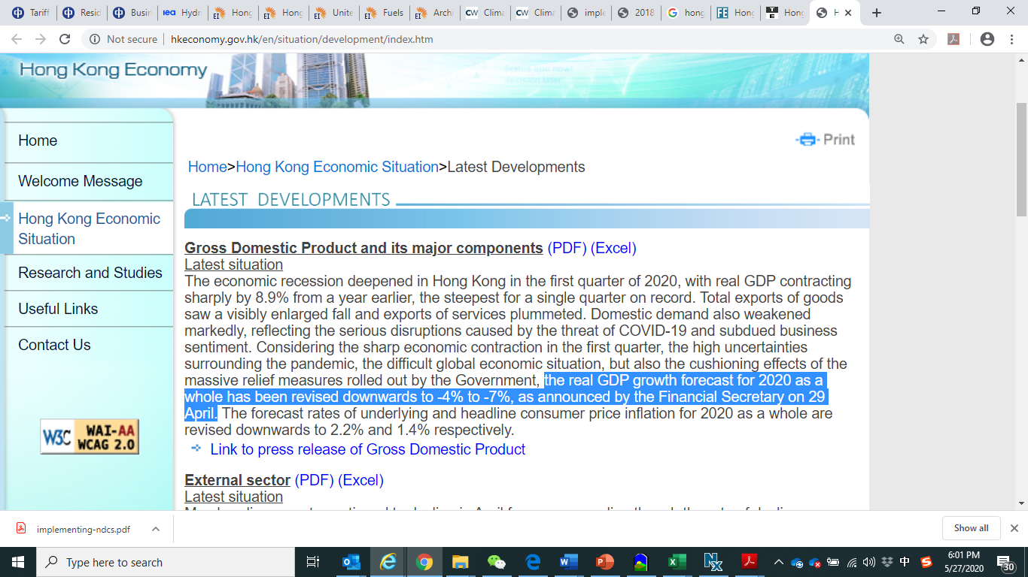
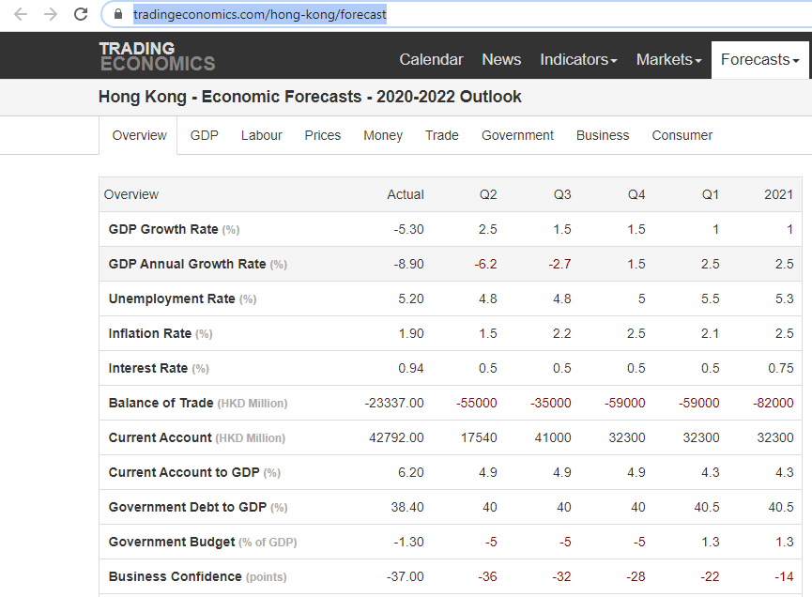
Estimated HK GDP reduction due to SARS-CoV-2 pandemic in 2020 |  |  |  |  |  |  |  |  |  |  |  |  |  |  |  |  |  | Our panel projects the economy will contract 3.8% in 2020, which is down 1.9 percentage points from last month’s forecast. Moving to 2021, the panel sees the economy growing 3.5%. (https://www.focus-economics.com/country-indicator/hong-kong/gdp) |  |  |  |  | https://tradingeconomics.com/hong-kong/forecast
-5.5% | HK government Apr, see right picture |  |  |  |  |  |  | https://www.hkeconomy.gov.hk/en/situation/development/index.htm
-0.50% | HK government Feb
 | Remember we must use the counter-factual GDP from the source that specifies the pandemic's
 | impact for this calculation, not the GDP assumed in the EPS model's input data files.
-5.00% | Magnitude of 2020 GDP change relative to baseline due to pandemic

Estimated HK Energy Demand Multipliers for AEBC in 2020

 |  | Residential Buildings | Commercial Buildings | Industry | Transport | Electricity
 | 2020 | -0.07 | 0.005 | 0.06 | 0.06 | 0.11

Estimating Pandemic Impact in Years Beyond 2020
Year | change
2020 | -4.1% | see right picture from TRADING ECONOMICS
2021 | 2.5%

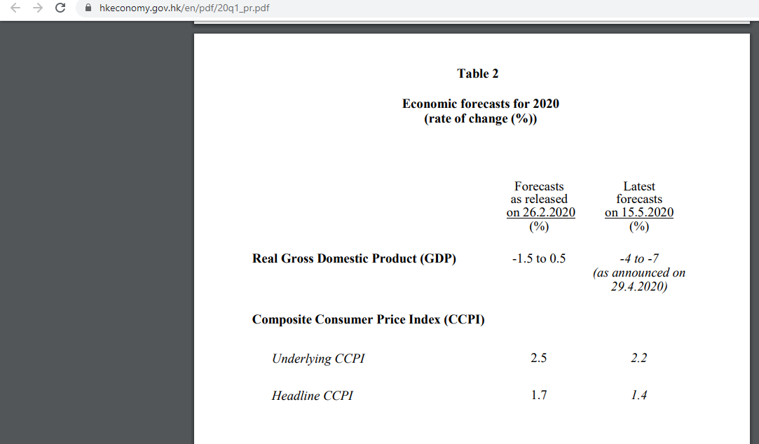
Year | GDP growth after COVID | GDP relative to 2018 | GDP growth before COVID | GDP relative to 2018
2019 | -1.2% | 98.80% | -1.2% | 98.80%
2020 | -5.5% | 93.37% | -0.50% | 98.31%
2021 | 2.5% | 95.70% | 2.00% | 100.27%

-5.29% | index of pandemic impact in 2020
-4.78% | index of pandemic impact in 2021
9.7% | reduction of pandemic impact

This is roughly a 10% decrease in impact in 2021 relative to 2020.
We assume only 2020 and 2021 will be impacted

source: see trading economics screenshut

Year | Impact Relative to Year 2020 | Residential Buildings | Commercial Buildings | Industry | Transport | Electricity
2020 | 1.0000 | -0.0681 | 0.0047 | 0.0584 | 0.0569 | 0.1053
2021 | 0.9000 | -0.0613 | 0.0042 | 0.0526 | 0.0512 | 0.0947

Transposed:

Year | 2020 | 2021
Impact Relative to Year 2020 | 1 | 0.9
Residential Buildings | -0.0681 | -0.0613
Commercial Buildings | 0.0047 | 0.0042
Industry | 0.0584 | 0.0526
Transport | 0.0569 | 0.0512
Electricity | 0.1053 | 0.0947

